Demo 1
Total Units Sold per country
Product | Oatmeal Raisin

Row Labels | Sum of Units Sold
India | 50956
Malaysia | 50529
Philippines | 53371
United Kingdom | 59102
United States | 62990
Grand Total | 276948

Demo 2
Total Profit per product
Country | Philippines

Row Labels | Sum of Profit
Chocolate Chip | 279546
Fortune Cookie | 37872
Oatmeal Raisin | 149438.8
Snickerdoodle | 116407.5
Sugar | 94011.75
White Chocolate Macadamia Nut | 177258.25
Grand Total | 854534.3

Demo 3
Total cost per country
Row Labels | Sum of Cost
India | 112103.2
Malaysia | 111163.8
Philippines | 117416.2
United Kingdom | 130024.4
United States | 138578
Grand Total | 609285.6

Dashboard
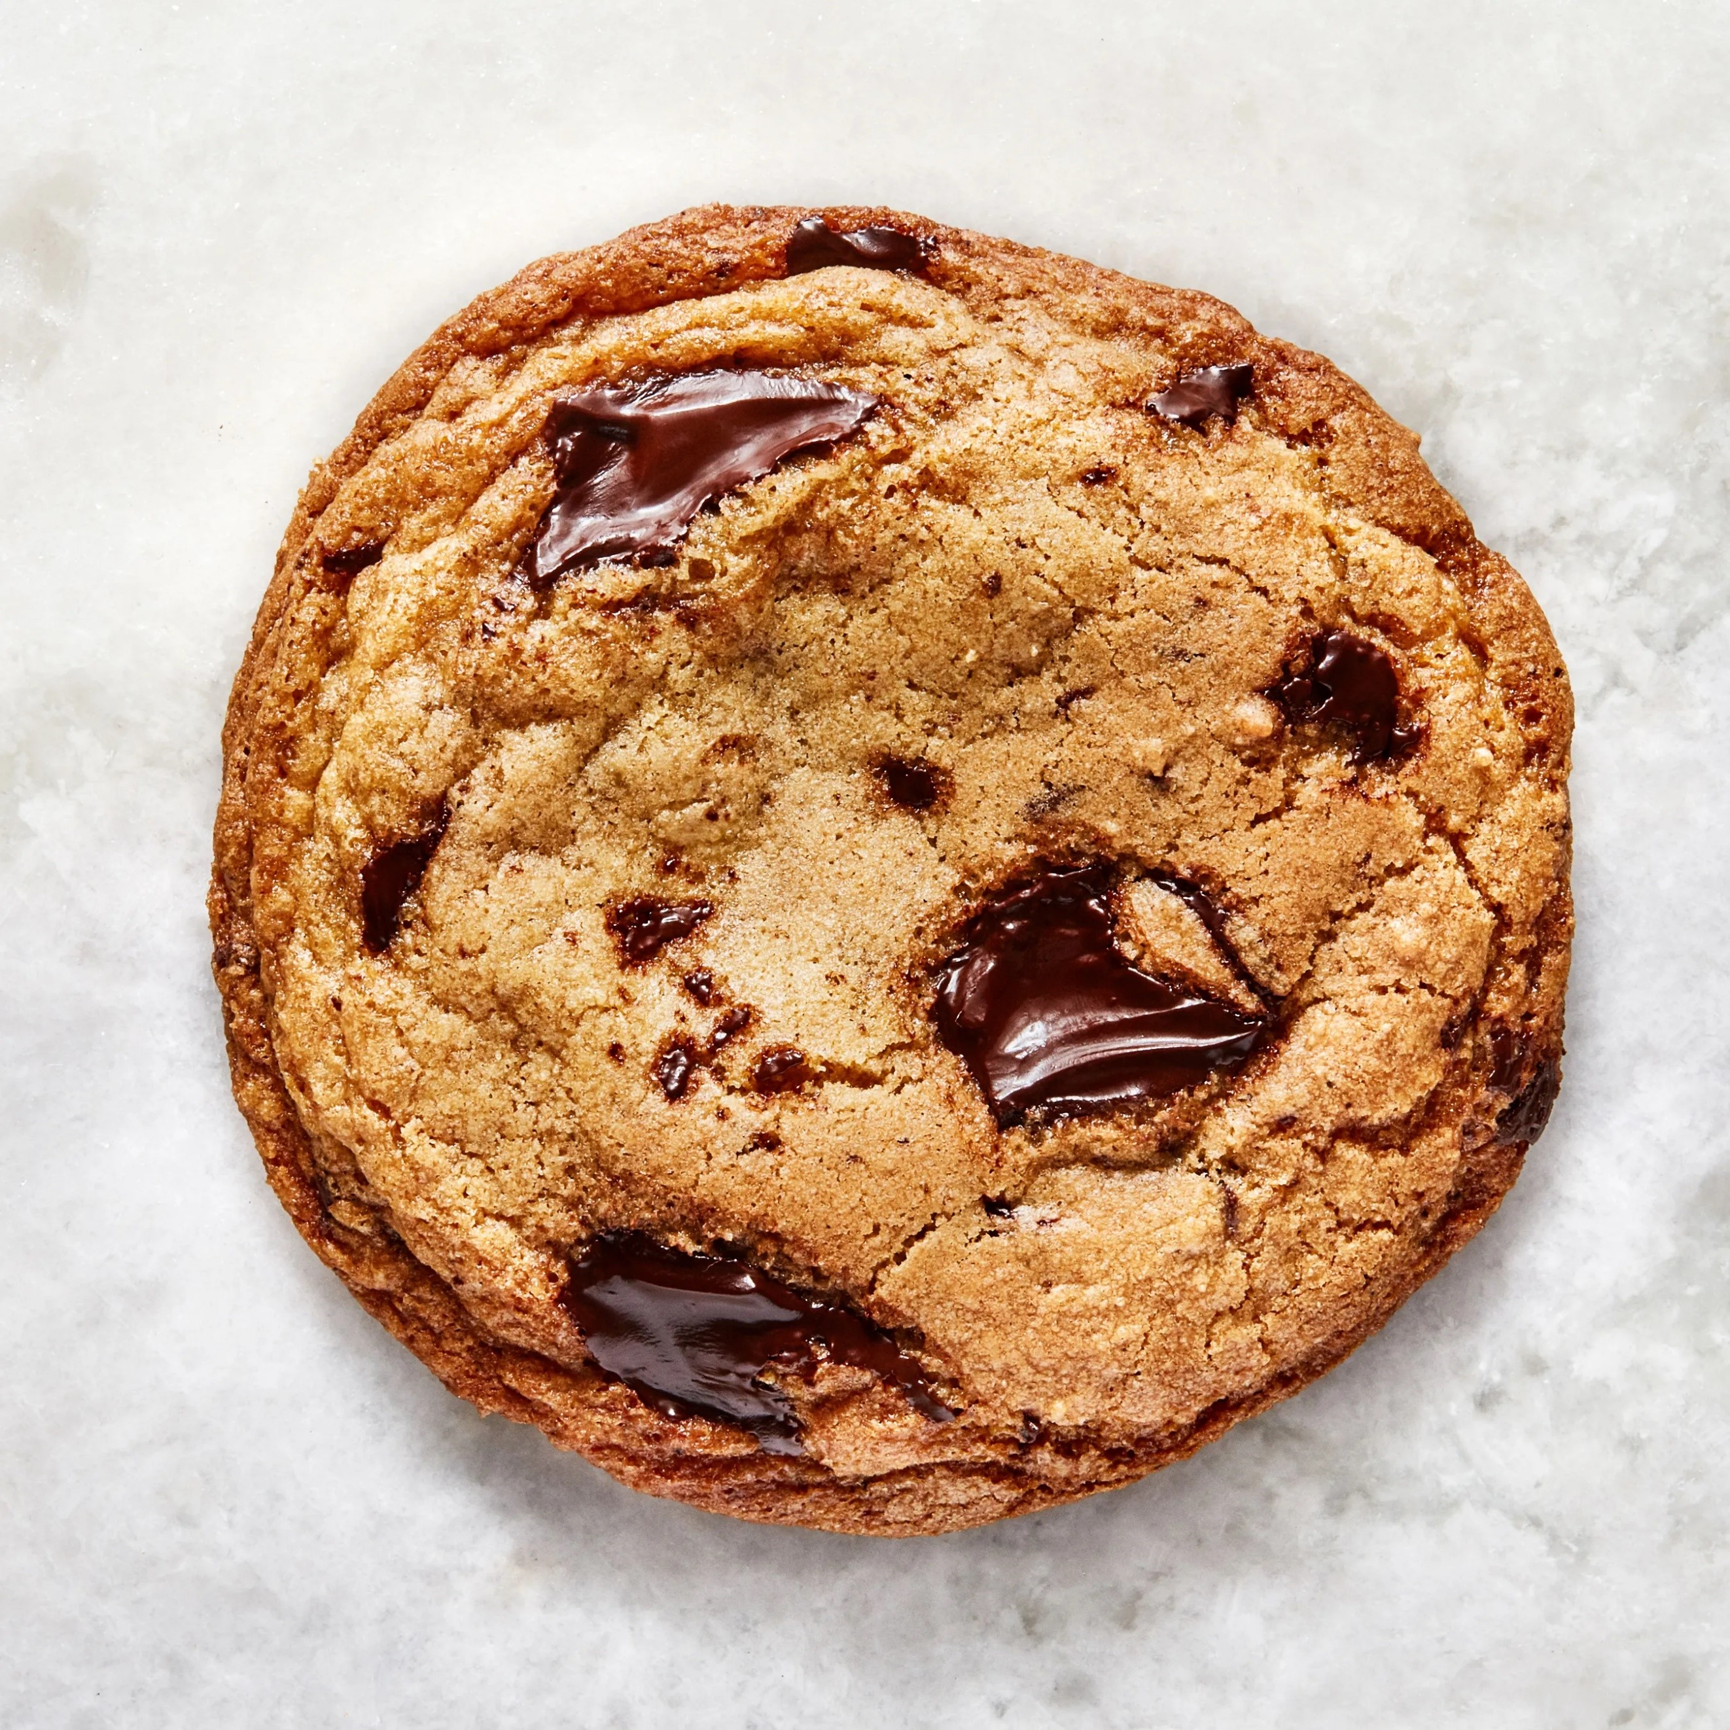 The Cookie Company

Total Units Sold per country
 | Total
India | 50956
Malaysia | 50529
Philippines | 53371
United Kingdom | 59102
United States | 62990
Total Profit per product
 | Total
Chocolate Chip | 279546
Fortune Cookie | 37872
Oatmeal Raisin | 149438.8
Snickerdoodle | 116407.5
Sugar | 94011.75
White Chocolate Macadamia Nut | 177258.25

Total cost per country
 | Total
India | 112103.2
Malaysia | 111163.8
Philippines | 117416.2
United Kingdom | 130024.4
United States | 138578

